Instructions
SA FOI Data Collation Spreadsheet

Purpose
The purpose of this spreadsheet is to assist agencies in capturing and summarising the FOI application activity to fulfil reporting obligations as per section 54 of the Freedom of Information Act 1991.

A few things to note before you get started:
1) | Agencies are only required to report valid applications. Please do not enter invalid applications in this spreadsheet.
2) | On 1 July, agency use of the previous financial year's spreadsheet must cease and begin using the new financial year's spreadsheet (published by State Records of SA annually). This ensures a correct snapshot of the financial year is reported.
3) | If your agency has any applications that are still active from the previous financial year, they will need to be recorded in this spreadsheet. This enables you to report any outstanding activities in this year's annual report.
4) | If you need to remove an entry, right click the row on the far left and select "Delete". However you must leave at least one row in the spreadsheet to ensure the formulas remain - to delete an entry in the first row, delete the information in each cell except those who store a formula.

Structure of the spreadsheet
This spreadsheet is broken up into 5 sections (sheets):
 | Access application data entry | This sheet is where all access application information can be recorded.
 | Amendment application data entry | This sheet is where all amendment application information can be recorded.
 | Internal Review application data entry | This sheet is where all internal review application information can be recorded.
 | Reporting Summary | This sheet contains a summary of all FOI activity conducted. It uses formulas to consolidate information from the three data entry sheets. It is a protected sheet and cannot be edited.
 | Public Holidays and Fees | This sheet contains the dates for Public Holidays and the different fees applicable to processing an FOI application. It is a protected sheet and cannot be edited.

Entering data
Each of the data entry sheets have been developed using Excel's "Table" function. This allows Excel to manage and analyse groups of data more easily.

All columns with red coloured text are mandatory. These fields capture the bare minimum required to fulfil your agency's FOI application reporting requirements.

To start a new line, click below the previous entry, begin typing and press TAB.

You will notice the line turns green, this indicates the entry is still active. Entries remain active until an outcome/determine has been recorded.

At the end of the reporting year (30 June), all active applications (highlighted green) can be copied into the following years spreadsheet. These spreadsheets will be published annually.

Drop-down options
Some of the cells require selection from a "drop down" menu. To access this menu:
 | 1. Select the cell,
 | 2. Press the down arrow to the right of the cell, and
 | 3. Make your selection.
Note: you can type into this field as long as the value is exactly the same as an option in the drop down menu.

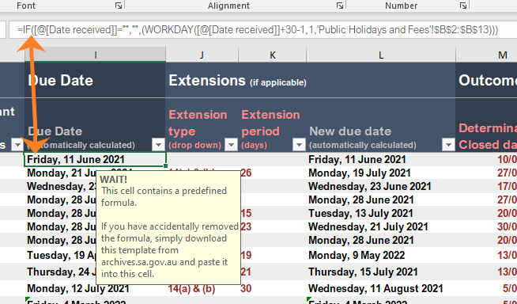
Formulas
You will also notice some of the table's columns are filled in grey. This is because these contain formulas that are calculated based on one or more other cell values.

In the example to the right, the Due Date is calculated from the Date Received and any public holidays listed in the Public Holidays and Fees sheet. In addition to this, if an extension has been applied a "New Due Date" is calculated from the "Due Date" by adding "Extention Period" and the number days the clock was stopped.

Reporting Summary
The Reporting Summary tab is where your agency's FOI activity is tallied. It calculates each of the FOI application datasets that are required to be reported by agencies as per section 52 of the FOI Act and the Gazettal notice.
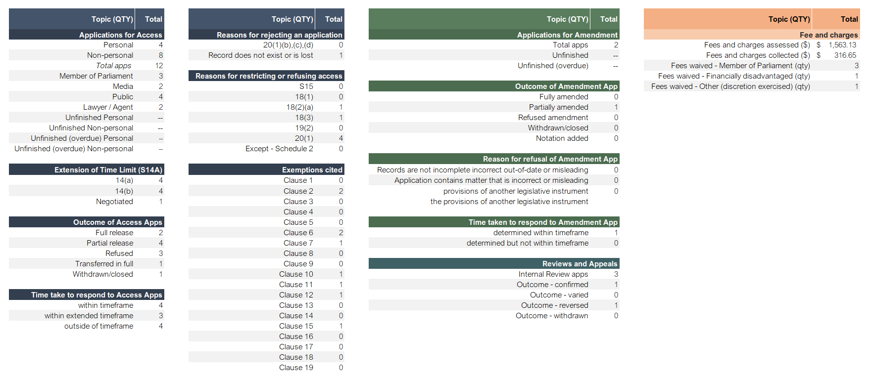
The figures calculated in the Report Summary are done in real-time. This means agencies can rely on these figures for internal reporting throughout the financial year should you wish to do so.

Each section is distinguished by colour:

 | Blue for Access Applications
 | Green for Amendment Applications
 | Teal for Internal Reviews
 | Orange for Fees and Charges

Table formulas
Below is a list of the formulas in each tab. You can copy these back into the tables if you accidentally delete or type over one.

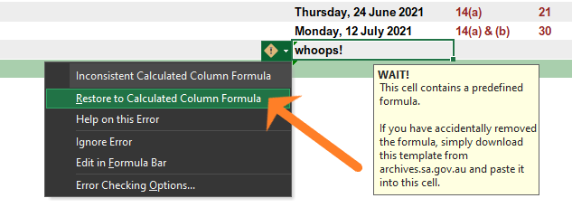 The first thing to try when if you have typed over a formula is to use the "Restore to Calculated Column Formula" function. To do this, select the cell in question and press the "caution" icon that that will appear to the left of the cell. A drop down will appear, here if you select the Restore to Calculated Column Formula option the formula will return.

To effectively replace a formula:
 | 1. Double click a cell below
 | 2. Highlight the text in the cell
 | 3. Navigate back to the cell with the broken formula and select it
 | 4. Copy the formula into the text bar above the spreadsheet (this should fix all cells in that column).

 | Access Tab
 | Due Date | =IF([@[Date received]]="","",(WORKDAY([@[Date received]]+30-1,1,'Public Holidays and Fees'!$D$4:$D$47)))
 | New Due Date | =IF([@[Date received]]="","",(WORKDAY([@[Due Date (automatically calculated)]]+[@[Extension period (days)]]-1,1,'Public Holidays and Fees'!$D$4:$D$47)))
 | Time taken to respond | =IF([@[Determination/ Closed date]]="","",(IF(([@[Determination/ Closed date]]-[@[Date received]])<=15,"0-15 days",IF(([@[Determination/ Closed date]]-[@[Date received]])<=30,"16-30 days",">30 days"))))
 | Determination status | =IF([@[Determination/ Closed date]]<=[@[Due Date (automatically calculated)]], "within timeframe", IF([@[Determination/ Closed date]]<=[@[New due date (automatically calculated)]],"within extended timeframe", IF([@[Determination/ Closed date]]>[@[New due date (automatically calculated)]],"outside of timeframe")))

 | Amendment Tab
 | Due Date | =IF([@[Date received (free text)]]="","",(WORKDAY([@[Date received (free text)]]+30-1,1,'Public Holidays and Fees'!$D$4:$B$47)))

 | Internal Review
 | Due Date | =IF([@[Date received (free text)]]="","",(WORKDAY([@[Date received (free text)]]+14-1,1,'Public Holidays and Fees'!$D$4:$B$47)))

