Instructions
SA FOI Data Collation Spreadsheet

Purpose
The purpose of this spreadsheet is to assist agencies in capturing and summarising the FOI application activity to fulfil reporting obligations as per section 54 of the Freedom of Information Act 1991.

A few things to note before you get started:
1) | Agencies are only required to report valid applications. Please do not enter invalid applications in this spreadsheet.
2) | On 1 July, agency use of the previous financial year's spreadsheet must cease and begin using the new financial year's spreadsheet (published by State Records of SA annually). This ensures a correct snapshot of the financial year is reported.
3) | If your agency has any applications that are still active from the previous financial year, they will need to be recorded in this spreadsheet. This enables you to report any outstanding activities in this year's annual report.
4) | If you need to remove an entry, right click the row on the far left and select "Delete". However you must leave at least one row in the spreadsheet to ensure the formulas remain - to delete an entry in the first row, delete the information in each cell except those who store a formula.

Structure of the spreadsheet
This spreadsheet is broken up into 5 sections (sheets):
 | Access application data entry | This sheet is where all access application information can be recorded.
 | Amendment application data entry | This sheet is where all amendment application information can be recorded.
 | Internal Review application data entry | This sheet is where all internal review application information can be recorded.
 | Reporting summary (ALL) | This sheet contains a summary of all FOI activity conducted. It uses formulas to consolidate information from the three data entry sheets. It is a protected sheet and cannot be edited.
 | Reporting summary by Agency | This sheet contains a filtered summary of FOI activities based on the agency or sub-agency selected. The only cell editable on this sheet is the Agency Filter drop down menu.
 | Public Holidays and Fees | This sheet contains the dates for Public Holidays and the different fees applicable to processing an FOI application. It is a protected sheet and cannot be edited.

Entering data
Each of the data entry sheets have been developed using Excel's "Table" function. This allows Excel to manage and analyse groups of data more easily.

All columns with red coloured text are mandatory. These fields capture the bare minimum required to fulfil your agency's FOI application reporting requirements.

To start a new line, click below the previous entry, begin typing and press TAB.

You will notice the line turns green, this indicates the entry is still active. Entries remain active until an outcome/determine has been recorded.

At the end of the reporting year (30 June), all active applications (highlighted green) can be copied into the following years spreadsheet. These spreadsheets will be published annually.

Drop-down options
Some of the cells require selection from a "drop down" menu. To access this menu:
 | 1. Select the cell,
 | 2. Press the down arrow to the right of the cell, and
 | 3. Make your selection.
Note: you can type into this field as long as the value is exactly the same as an option in the drop down menu.

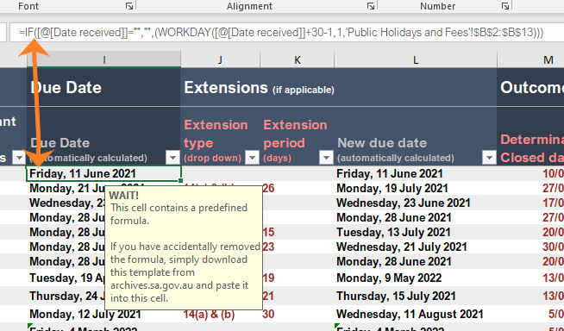
Formulas
You will also notice some of the table's columns are filled in grey. This is because these contain formulas that are calculated based on one or more other cell values.

In the example to the right, the Due Date is calculated from the Date Received and any public holidays listed in the Public Holidays and Fees sheet. In addition to this, if an extension has been applied a "New Due Date" is calculated from the "Due Date" by adding "Extention Period" and the number days the clock was stopped.

Copying and pasting text into this tool
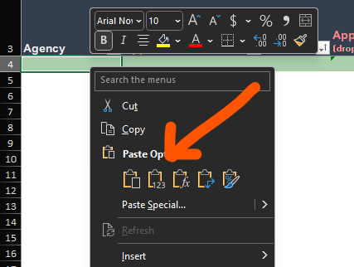 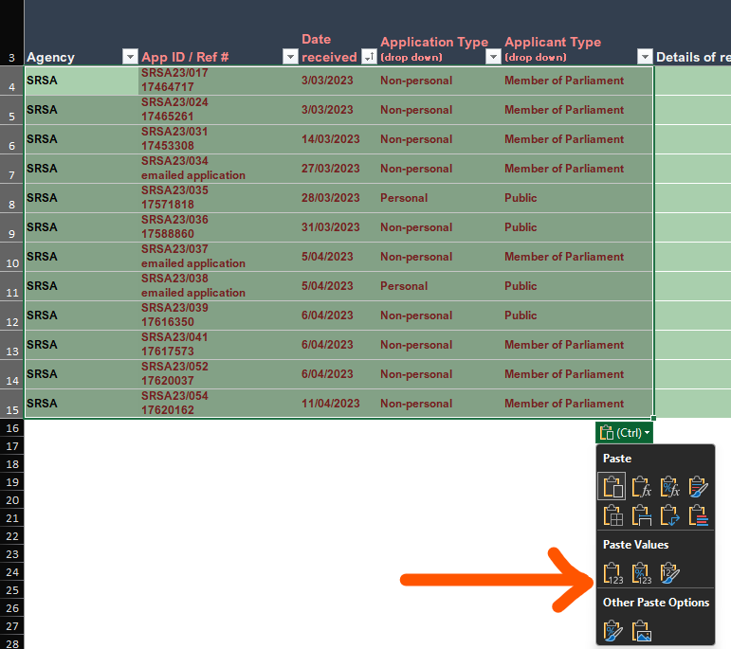 If you are copying text from another application, email or active applications from a previous spreadsheet, you must remove any formatting that is associated with that text. This formatting can be removed easily and efficiently in two ways. 1. Right click the cell you want to paste in, scroll down to Paste and select Paste Values, or... 2. Paste the content in the cell(s) and locate the CTRL box at the base of the pasted selection. Click on the CTRL box and select the first icon under Paste Values.

Reporting Summary
The Reporting Summary tab is where your agency's FOI activity is tallied. It calculates each of the FOI application datasets that are required to be reported by agencies as per section 54 of the FOI Act and the Gazettal notice.
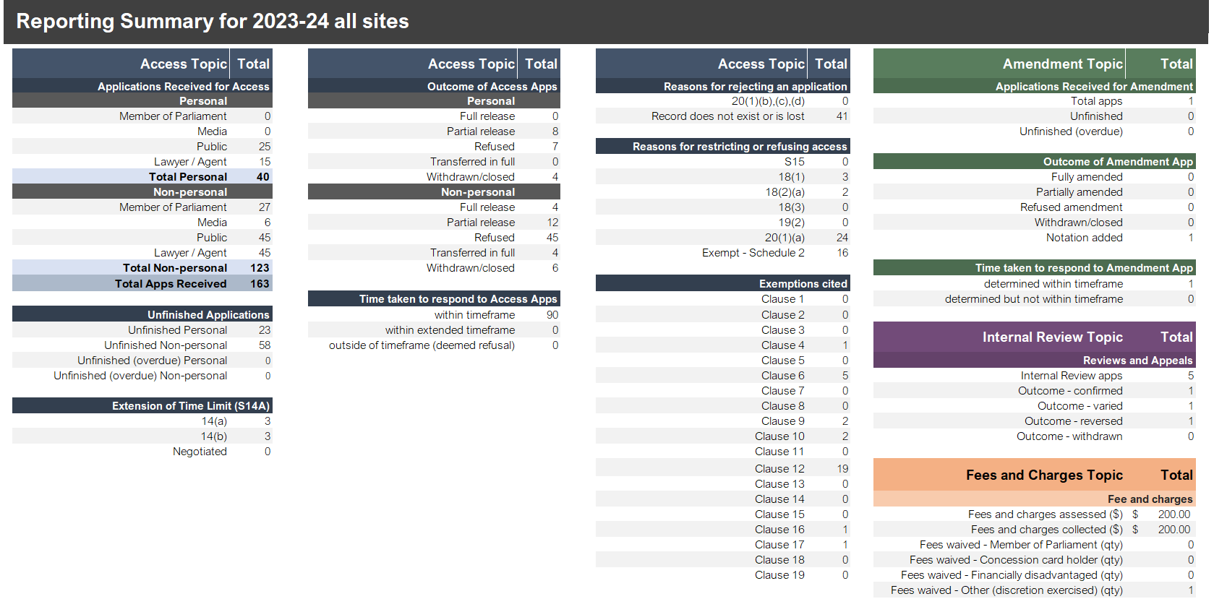
The figures calculated in the Report Summary are done in real-time. This means agencies can rely on these figures for internal reporting throughout the financial year should you wish to do so.

Each section is distinguished by colour:

 | Blue for Access Applications
 | Green for Amendment Applications
 | Purple for Internal Reviews
 | Orange for Fees and Charges

Reporting Summary by Agency
The Reporting Summary by Agency tab is exactly the same as the Reporting Summary (ALL) tab except that the data is filtered by the Agency assigned to each application. This is particularly useful for offices and FOI teams that manage FOI applications for more than one agency.

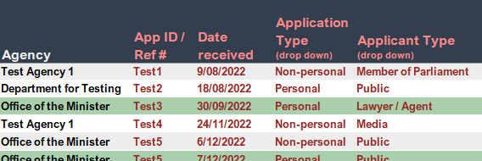 To use the Agency Filter function, you must record the site or agency that the application was submitted to in either the Access, Amendment or Internal Review tabs. Its important that these are spelled the same way across each tab so that the filter groups them together correctly.

On the Reporting Summary by Agency tab there is a drop down menu that can be used to select the site/agency you wish to view the summary data for.

Selecting the drop down arrow will display a list of the Agencies entered into the system. Here is the best place to identify whether any Agencies have been spelled incorrectly or incosistently as there will be duplicates. You can mitigate incorrect or incosistent data entry using Data Validation. See Microsoft’s Data Validation Guide for more information.
https://support.microsoft.com/en-us/office/apply-data-validation-to-cells-29fecbcc-d1b9-42c1-9d76-eff3ce5f7249

Table formulas
Below is a list of the formulas in each tab. You can copy these back into the tables if you accidentally delete or type over one.

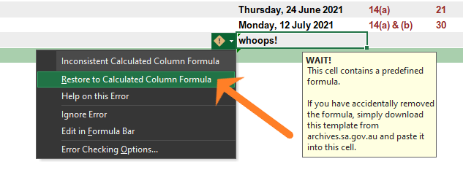 The first thing to try when if you have typed over a formula is to use the "Restore to Calculated Column Formula" function. To do this, select the cell in question and press the "caution" icon that that will appear to the left of the cell. A drop down will appear, here if you select the Restore to Calculated Column Formula option the formula will return.

To replace a formula:
 | 1. Double click a cell below
 | 2. Highlight the text in the cell
 | 3. Navigate back to the cell with the broken formula and select it
 | 4. Copy the formula into the text bar above the spreadsheet (this should fix all cells in that column).

 | Access Tab
 | Due Date | =IF([@[Date received]]="","",(WORKDAY([@[Date received]]+30-1,1,'Public Holidays and Fees'!$D$4:$D$69)))
 | Transfer Due Date | =IF([@[Date received]]="","",([@[Date received]]+14))
 | Due Date for Extension | =IF([@[Date received]]="","",(WORKDAY([@[Date received]]+20-1,1,'Public Holidays and Fees'!$D$4:$D$69)))
 | New Due Date | =IF([@[Date received]]="","",(WORKDAY([@[Determination due date (automatically calculated)]]+[@[Advance Deposit (days clock stopped)]]+[@[Extension period (days)]]-1,1,'Public Holidays and Fees'!$D$4:$D$69)))
 | Determination status | =IF(ISBLANK([@[Determination/ Closed date]]),"",IF([@[Determination/ Closed date]]<=[@[Determination due date (automatically calculated)]], "within timeframe", IF([@[Determination/ Closed date]]<=[@[New determination due date (automatically calculated)]],"within extended timeframe", IF([@[Determination/ Closed date]]>[@[New determination due date (automatically calculated)]],"outside of timeframe (deemed refusal)"))))
 | Section 20(1)(a) | =IF(COUNTIF(Table1[@[1]:[19]],"<>")>0,"Applied","")

 | Amendment Tab
 | Due Date | =IF([@[Date received (free text)]]="","",(WORKDAY([@[Date received (free text)]]+30-1,1,'Public Holidays and Fees'!$D$4:$D$69)))

 | Internal Review
 | Due Date | =IF([@[Date received (free text)]]="","",(WORKDAY([@[Date received (free text)]]+14-1,1,'Public Holidays and Fees'!$D$4:$D$69)))

